Instructions for use
AMP End-Process Assessment
PPS Sampling Template - Instructions for use

Introduction
This workbook can be used to automate cluster sampling for AMP end-process ITN campaign assessments using probability proportional to size (PPS) sampling. It is important that the worksheets used for the PPS sampling are kept and shared with the assessment analyst. The information contained in the sheets is needed for weighting when estimating indicators at levels above the Lot. The workbook contains this instruction worksheet, an example sheet, and the PPS sampling template. The template automates sampling for one Lot. If multiple Lots are to be sampled, users can duplicate the template worksheet and use a new sheet for each Lot. Prior to conducting sampling, teams must define the following sampling elements: • Sampling frame – The totality of the geographic area in which the assessment will occur • Lot – The level at which performance will be classified and operational decisions made • Cluster – A collection of households within defined geographical or administrative boundaries. Clusters are commonly villages, communities or settlements. The sampling frame spreadsheet must list every cluster in every lot that is eligible for inclusion in the study, together with a measure of the size of the cluster. The measure of size can be the number of households in each cluster, or the population count of each cluster. Population data could come from data sources used for macro planning if this includes cluster-level information. The National Statistics Office may also be able to provide this information.

Step One - Prepare the sampling frame list | Example sample frame list with 6 columns corresponding to the instructions for Step One
Prior to using the PPS sampling template, teams must develop a sampling frame list based on the example on the right. The template is designed to work with up to 6 columns containing the following information: • The name of the admin level above the Lot level (optional) • Lot name • Intermediate admin level, between the Lot and the cluster (optional) • Cluster name • Number of households in cluster (this could also be population count if available) • Cumulative number of households Two columns are optional: the name of the admin level above the Lot level and any intermediate admin level between the Lot and the cluster. It may be useful to include this information in the sampling output to facilitate the work of assessment teams in the field, but they are not required. Although this layout involves repeating the Lot name and any higher-level admin name on each row it is likely that data are already in a similar format, particularly if they have come from the national statistics office. AMP recommends the sampling frame list is sorted in a standard manner prior to sampling. A common method is to sort cluster names alphabetically within any intermediate levels, which themselves are sorted alphabetically within the Lot. The sampling template uses information contained in the Cumulative number of households column to perform the sampling. It is vital the data/values in this column are correct and they should be double-checked before using the template. A common problem encountered with large sampling frame spreadsheets can be zero values for cluster size which may affect the cumulative column, depending on the formula used to cumulate the cluster sizes. Once the sampling frame has been sorted, paste the data into rows B to G in the template. | 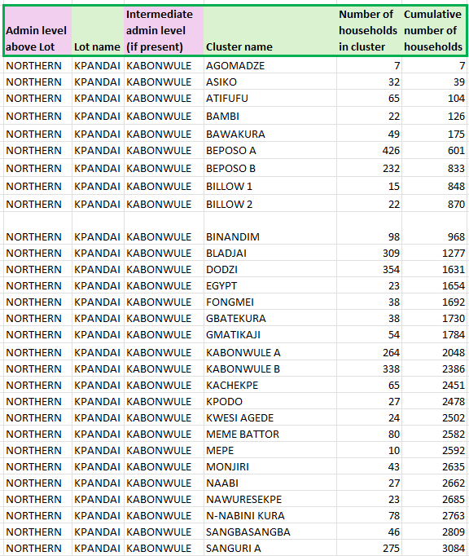

Step Two - Check the number of clusters to be sampled
Confirm that the value in cell L6 corresponds to the number of clusters (per Lot) you want to sample using PPS. AMP recommends that countries use a 6 cluster x 10 household approach to sampling within each Lot. The default value cell value is 6.

Step Three – Generate a random starting point
Press F9 to update the random number in cell L8. Once this value has been refreshed, copy the cell and use the paste as values option to paste the random number (rather than the formula) into cell L9. The fixed starting point value will remain unchanged in the sheet, even if the sheet is refreshed (by pressing F9 again).

Step Four - Automated cluster sampling and output table
The table defined by the orange cells will automatically update to display the 6 (by default) clusters sampled by PPS within the Lot (cell range N11:Q18). The table contains columns for: • Cluster number: From 1 to 6 (by default) • Intermediate admin level: If information on an intermediate admin level has been included in the sampling frame, it will appear here • Cluster name • Number of households: The number of households in the selected cluster The table can be copy/pasted into the final format used by the analyst and assessment teams to share relevant sampling details (i.e. in Excel or Word). The automated output table will work for any number of clusters between 1 and 6, however, if more than 6 clusters are required then the analyst will need to add additional rows to the table output and update the formulae as necessary. Adjacent to the orange table are three columns in grey (cell range K11:M18). These columns are visible in the worksheet so users can understand how the automated PPS sampling works. The columns, and their purpose, are: • Cluster number: From 1 to 6 (by default) to index each selected cluster • Selected number: For the first cluster, this value equals the fixed starting point. For subsequent clusters, the formulae in this column sequentially add the skip interval to the value in the row above until the total number of clusters has been reached. • Cumulative reference: The automation process uses Excel’s XLOOKUP function to identify the cluster into which the cumulative population value (in the Selected number column) falls. It does this by comparing the cumulative population total in sequential clusters until it finds the closest value greater than the Selected number. For reference, this value is displayed in the Cumulative reference column.

Example sampling worksheet
Step One Sort your data in the manner that fits your sampling scheme, then paste data into columns B to G. Columns B and G are optional but the Lot, Cluster and measures of size must be pasted into columns C, E, F and G.
Step Two Enter the number of clusters to be selected here.
Admin level above Lot | Lot name | Cluster name | Number of households in cluster | Cumulative number of households
NORTHERN | KPANDAI | AGOMADZE | 550 | 550
NORTHERN | KPANDAI | ASIKO | 1435 | 1985 | Sampling factors
NORTHERN | KPANDAI | ATIFUFU | 375 | 2360 | Total population | 23,581
NORTHERN | KPANDAI | BAMBI | 789 | 3149 | Number of clusters | 6
Step Three Refresh the worksheet (press F9) to generate a new random number in M6 then copy and "Paste as value" here.
NORTHERN | KPANDAI | BAWAKURA | 930 | 4079 | Skip interval | 3,930
NORTHERN | KPANDAI | BEPOSO A | 1201 | 5280 | Random starting point | 3832
NORTHERN | KPANDAI | BEPOSO B | 437 | 5717 | Fixed starting point value | 3,832
NORTHERN | KPANDAI | BILLOW 1 | 550 | 6267
NORTHERN | KPANDAI | BILLOW 2 | 663 | 6930 |  |  |  | Random cluster selection (by PPS) for Lot : KPANDAI
Step Four This table auto-populates with the selected clusters and relevant information.
NORTHERN | KPANDAI | BINANDIM | 776 | 7706 | Cluster number | Selected number | Cumulative reference | Cluster number | Cluster name | Number of households
NORTHERN | KPANDAI | BLADJAI | 889 | 8595 | 1 | 3,832 | 4,079 | 1 | BAWAKURA | 930
NORTHERN | KPANDAI | DODZI | 1002 | 9597 | 2 | 7,762 | 8,595 | 2 | BLADJAI | 889
NORTHERN | KPANDAI | EGYPT | 1115 | 10712 | 3 | 11,692 | 11,940 | 3 | FONGMEI | 1,228
NORTHERN | KPANDAI | FONGMEI | 1228 | 11940 | 4 | 15,622 | 15,954 | 4 | KABONWULE A | 1,193
NORTHERN | KPANDAI | GBATEKURA | 1454 | 13394 | 5 | 19,552 | 20,291 | 5 | KWESI AGEDE | 932
NORTHERN | KPANDAI | GMATIKAJI | 1367 | 14761 | 6 | 23,482 | 23,581 | 6 | NAWURESEKPE | 575
NORTHERN | KPANDAI | KABONWULE A | 1193 | 15954
NORTHERN | KPANDAI | KABONWULE B | 1280 | 17234
NORTHERN | KPANDAI | KACHEKPE | 1106 | 18340
NORTHERN | KPANDAI | KPODO | 1019 | 19359
NORTHERN | KPANDAI | KWESI AGEDE | 932 | 20291
NORTHERN | KPANDAI | MEME BATTOR | 846 | 21137
NORTHERN | KPANDAI | MEPE | 758 | 21895
NORTHERN | KPANDAI | MONJIRI | 497 | 22392
NORTHERN | KPANDAI | NAABI | 614 | 23006
NORTHERN | KPANDAI | NAWURESEKPE | 575 | 23581

AMP PPS sampling template
Step One Sort your data in the manner that fits your sampling scheme, then paste data into columns B to G. Columns B and G are optional but the Lot, Cluster and measures of size must be pasted into columns C, E, F and G.
Admin level above Lot | Lot name | Intermediate admin level (if present) | Cluster name | Number of households in cluster | Cumulative number of households

Step Two Enter the number of clusters to be selected here.
 |  |  |  |  |  | Sampling factors
 |  |  |  |  |  | Total population
 |  |  |  |  |  | Number of clusters | 6
Step Three Refresh the worksheet (press F9) to generate a new random number in M6 then copy and "Paste as value" here.
 |  |  |  |  |  | Skip interval
 |  |  |  |  |  | Random starting point
 |  |  |  |  |  | Fixed starting point value

Step Four This table auto-populates with the selected clusters and relevant information.
 |  |  |  |  |  |  |  |  | Random cluster selection (by PPS) for Lot :
 |  |  |  |  |  | Cluster number | Selected number | Cumulative reference | Cluster number | Intermediate admin level | Cluster name | Number of households
 |  |  |  |  |  | 1 |  | - | 1 | - | - | -
 |  |  |  |  |  | 2 |  | - | 2 | - | - | -
 |  |  |  |  |  | 3 |  | - | 3 | - | - | -
 |  |  |  |  |  | 4 |  | - | 4 | - | - | -
 |  |  |  |  |  | 5 |  | - | 5 | - | - | -
 |  |  |  |  |  | 6 |  | - | 6 | - | - | -

